E3 data psg per railcar

Passengers per railcar in E3 Pathways per data below | 26.55

E3 data psg per bus

Passengers per bus in E3 Pathways as shown below | 11.08

Ship freight estimation
The implications of the BTS NTS Modal Profile Data conflicts with implications of cargo capacity below.
Therefore, adjust as shown below.
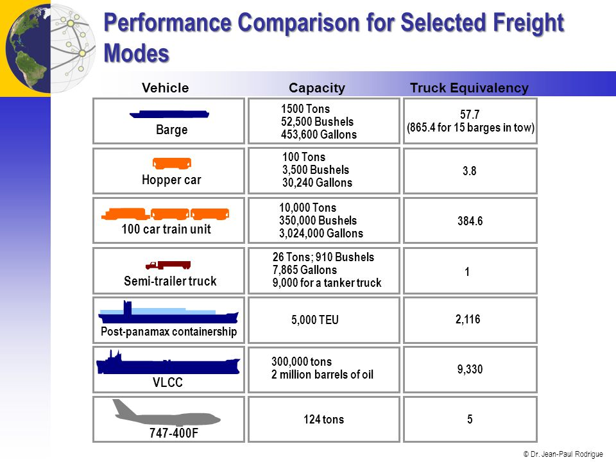

Assume equal capacity factor, and scale according to these data

Relative average load compared to HDV frieght
Truck | 1
Freight rail | 385 | Assuming 100 car train as typical.
Freight ship | 3834.5666667 | Estimated as average of container and oil ships and barges
Freight plane | 5

Calculate freight ship in relation to freight rail. | 9.9599134199

MDV freight calculations
 | 2000 | 2001 | 2002 | 2003 | 2004 | 2005 | 2006 | 2007 | 2008 | 2009 | 2010 | 2011 | 2012 | 2013 | 2014 | 2015
truck miles | 1,128,579,000,000 | 1,151,542,175,085 | 1,180,637,000,000 | 1,201,896,229,073 | 1,247,974,490,061 | 1,263,574,751,722 | 1,305,003,880,680 | 890,796,329,526 | 916,136,844,750 | 905,839,934,053 | 909,238,970,340 | 871,769,796,725 | 870,438,852,922 | 878,324,803,906 | 917,615,758,490 | 911,696,041,182
freight ton miles | 2,326,524,330,984 | 2,362,063,157,851 | 2,427,693,218,598 | 2,478,739,640,897 | 2,427,170,171,899 | 2,453,346,679,902 | 2,405,810,525,904 | 2,495,785,526,907 | 2,752,658,190,700 | 2,449,508,578,000 | 2,512,429,010,600 | 2,643,567,469,000 | 1,919,481,040,000 | 1,971,885,430,000 | 2,014,972,720,000 | 2,048,118,860,000
avg load | 2.0614634252 | 2.0512172363 | 2.0562571041 | 2.062357449 | 1.9448876489 | 1.94159204 | 1.8435274879 | 2.8017465319 | 3.0046364869 | 2.7041295994 | 2.763221873 | 3.032414611 | 2.2051876861 | 2.2450526516 | 2.1958785051 | 2.2464930936

 |  |  |  |  |  |  | Discontinuity in original data between 2006-7: |  |  |  |  | Data for 2007-15 were calculated using a new methodology developed by FHWA. Data for these years are based on new categories and are not comparable to previous years. The new category Light duty vehicle, short wheel base includes passenger cars, light trucks, vans and sport utility vehicles with a wheelbase (WB) equal to or less than 121 inches. The new category Light duty vehicle, long wheel base includes large passenger cars, vans, pickup trucks, and sport/utility vehicles with wheelbases (WB) larger than 121 inches. This edition of 1-35 is not comparable to previous editions.

 |  |  |  |  |  |  |  |  |  |  | take average over 2007-2015 |  |  |  | 2.5776401154 | tons

 |  |  |  |  |  |  |  |  | Calibrate to 2016 data
 |  |  |  |  |  |  |  |  | MDV miles | 14,915,097,893 |  | MDV cargo miles
 |  |  |  |  |  |  |  |  | HDV miles | 11,679,898,456 |  | HDV cargo miles
 |  |  |  |  |  |  |  |  | truck miles | 26,594,996,349 |  | truck cargo miles |  | 68,552,329,458
Method for using overall average truck cargo load to estimate MDV and HDV.
Assume equivalent capacity factor (i.e. percentage of payload used) for MDV and HDV. |  |  |  |  |  |  |  |  |  | attribute to MDV and HDV based on payload capacity, using NHTSA data shown below
Assume MDV payload capacity is average of the three representative types shown. |  |  |  |  |  |  |  |  | EPS variable | E3 variable
Assign average loading factors based on relative cargo capacity. |  |  |  |  |  |  |  |  | HD freight | HDV load | 5.0181771
Use NHSTA study for payload estimations. |  |  |  |  |  |  |  |  | LDV freight | MDV load | 0.6664744
https://www.nhtsa.gov/sites/nhtsa.dot.gov/files/812146-commercialmdhd-truckfuelefficiencytechstudy-v2.pdf
 |  |  |  |  |  |  |  |  | Check that total sums to truck cargo miles
 |  |  |  |  |  |  |  |  |  |  | 68,552,329,458
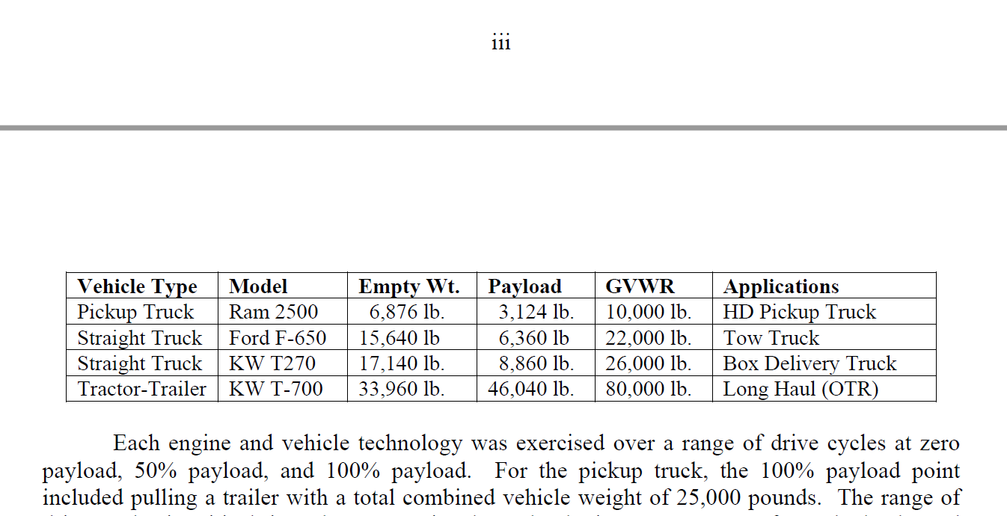

Background on vehicle classes and engines: |  |  | https://www.afdc.energy.gov/data/10380

MDV payload avg | 6114.6666667 |  | 0.11724102669
HDV payload | 46040 |  | 0.88275897331 |  | HDV/MDV | 7.5294374182

A+B = | avg | 2.5776401154
A/B= | 0.11724102669

MDVMT

MDV | = | 0.66647437482
HDV | = | 5.018177096

HDV avg load | 16
MDV average load | 2.1249927599 | * | Initial loading factor
At this initial load factor, MDV vehicle average distance travelled returned an unrealistically low value (less than 4000 miles per vehicle)
Therefore, the decion is made to set the LDV average load value to one |  |  |  |  | 1

